Raw data
 | CTRL 1 | CTRL 2 | CSC 1 | CSC 2 | All values have been corrected.
Lac 233 (M0) | 0.9782 | 0.9920 | 1.0005 | 1.0009
Lac 234 (M1) | 0.0084 | -0.0041 | -0.0026 | -0.0020
Lac 235 (M2) | 0.0134 | 0.0121 | 0.0021 | 0.0011

 | CTRL 1 | CTRL 2 | CSC 1 | CSC 2
Lac 261 (M0) | 0.9875 | 0.9871 | 0.9586 | 0.9767
Lac 262 (M1) | -0.0037 | -0.0007 | 0.0328 | 0.0176
Lac 263 (M2) | 0.0015 | 0.0012 | 0.0073 | 0.0037
Lac 264 (M3) | 0.0146 | 0.0124 | 0.0013 | 0.0019

 | CTRL 1 | CTRL 2 | CSC 1 | CSC 2
Ala 232 (M0) | 0.9351 | 0.9305 | 0.9070 | 0.8997
Ala 233 (M1) | 0.0073 | 0.0072 | 0.0020 | 0.0106
Ala 234 (M2) | 0.0575 | 0.0623 | 0.0910 | 0.0897

 | CTRL 1 | CTRL 2 | CSC 1 | CSC 2
Ala 260 (M0) | 0.9329 | 0.9331 | 0.9113 | 0.9000
Ala 261 (M1) | -0.0032 | -0.0021 | 0.0032 | 0.0157
Ala 262 (M2) | 0.0179 | 0.0196 | 0.0149 | 0.0154
Ala 263 (M3) | 0.0525 | 0.0493 | 0.0706 | 0.0690

 | CTRL 1 | CTRL 2 | CSC 1 | CSC 2
Akg 346 (M0) | 0.0306 | 0.0544 | 0.0535 | 0.0468
Akg 347 (M1) | 0.0172 | 0.0230 | 0.0036 | 0.0025
Akg 348 (M2) | 0.0445 | 0.0366 | 0.0246 | 0.0258
Akg 349 (M3) | 0.1464 | 0.1440 | 0.0833 | 0.0787
Akg 350 (M4) | 0.0183 | 0.0088 | 0.0061 | -0.0045
Akg 351 (M5) | 0.7429 | 0.7332 | 0.8289 | 0.8506

 | CTRL 1 | CTRL 2 | CSC 1 | CSC 2
Mal 419 (M0) | 0.1474 | 0.1473 | 0.1811 | 0.1864
Mal 420 (M1) | 0.0386 | 0.0409 | 0.0094 | 0.0134
Mal 421 (M2) | 0.1421 | 0.1339 | 0.0603 | 0.0523
Mal 422 (M3) | 0.1658 | 0.1755 | 0.2076 | 0.1748
Mal 423 (M4) | 0.5061 | 0.5025 | 0.5416 | 0.5731

 | CTRL 1 | CTRL 2 | CSC 1 | CSC 2
Asp 302 (M0) | 0.2255 | 0.2329 | 0.2347 | 0.2438
Asp 303 (M1) | 0.1351 | 0.1337 | 0.1341 | 0.1314
Asp 304 (M2) | 0.6394 | 0.6333 | 0.6312 | 0.6248

 | CTRL 1 | CTRL 2 | CSC 1 | CSC 2
Asp 390 (M0) | 0.1580 | 0.1541 | 0.2176 | 0.1861
Asp 391 (M1) | 0.0927 | 0.0895 | 0.0573 | 0.0445
Asp 392 (M2) | 0.1652 | 0.1707 | 0.1205 | 0.1526
Asp 393 (M3) | 0.5841 | 0.5858 | 0.6046 | 0.6168

 | CTRL 1 | CTRL 2 | CSC 1 | CSC 2
Asp 418 (M0) | 0.1489 | 0.1535 | 0.1980 | 0.1976
Asp 419 (M1) | 0.0410 | 0.0373 | 0.0046 | 0.0153
Asp 420 (M2) | 0.1339 | 0.1372 | 0.0827 | 0.0658
Asp 421 (M3) | 0.1761 | 0.1827 | 0.2131 | 0.2241
Asp 422 (M4) | 0.5002 | 0.4893 | 0.5016 | 0.4972

 | CTRL 1 | CTRL 2 | CSC 1 | CSC 2
Gln 431 (M0) | 0.0107 | 0.0094 | 0.0097 | 0.0098
Gln 432 (M1) | -0.0001 | -0.0004 | 0.0008 | 0.0005
Gln 433 (M2) | 0.0011 | 0.0014 | 0.0006 | 0.0018
Gln 434 (M3) | 0.0064 | 0.0025 | 0.0026 | 0.0032
Gln 435 (M4) | 0.0146 | 0.0001 | -0.0004 | -0.0009
Gln 436 (M5) | 0.9673 | 0.9870 | 0.9866 | 0.9856

 | CTRL 1 | CTRL 2 | CSC 1 | CSC 2
Cit 459 (M0) | 0.1402 | 0.1315 | 0.1425 | 0.1384
Cit 460 (M1) | 0.0364 | 0.0356 | 0.0103 | 0.0029
Cit 461 (M2) | 0.1241 | 0.1226 | 0.0609 | 0.0776
Cit 462 (M3) | 0.1576 | 0.1596 | 0.1451 | 0.1251
Cit 463 (M4) | 0.4037 | 0.4035 | 0.3469 | 0.3630
Cit 464 (M5) | 0.1093 | 0.1230 | 0.2629 | 0.2600
Cit 465 (M6) | 0.0286 | 0.0242 | 0.0314 | 0.0330
 |  |  |  |  |  | CTRL |  | CSC
 | CTRL 1 | CTRL 2 | CSC 1 | CSC 2 |  | AVG | SEM | AVG | SEM
Palm 270 (M0) | 0.8501078452 | 0.79169814491 | 0.79307459802 | 0.75660213359 | 0 | 0.82090299505 | 0.029204850147 | 0.7748383658 | 0.018236232216
Palm 271 (M1) | 0.0046538451091 | 0.0083326722119 | 0.0047851780495 | 0.014424401087 | 1 | 0.0064932586605 | 0.0018394135514 | 0.0096047895684 | 0.0048196115189
Palm 272 (M2) | 0.056405017579 | 0.065300382528 | 0.058137284153 | 0.062008948682 | 2 | 0.060852700053 | 0.0044476824746 | 0.060073116417 | 0.0019358322647
Palm 273 (M3) | 0.0061755577041 | 0.0081989773714 | 0.0064500603075 | 0.0052055875467 | 3 | 0.0071872675377 | 0.0010117098337 | 0.0058278239271 | 0.0006222363804
Palm 274 (M4) | 0.040076226768 | 0.050310765457 | 0.057347859683 | 0.06518067247 | 4 | 0.045193496112 | 0.0051172693448 | 0.061264266076 | 0.0039164063938
Palm 275 (M5) | 0.0024276648033 | 0.0046823574094 | 0.0037262163788 | 0.005429675358 | 5 | 0.0035550111064 | 0.001127346303 | 0.0045779458684 | 0.00085172948961
Palm 276 (M6) | 0.026310422888 | 0.033562710168 | 0.041718909586 | 0.048093534221 | 6 | 0.029936566528 | 0.0036261436403 | 0.044906221904 | 0.0031873123175
Palm 277 (M7) | -0.0017827416817 | 0.0032790898779 | 0.0023774779809 | 0.0030903446746 | 7 | 0.0007481740981 | 0.0025309157798 | 0.0027339113278 | 0.00035643334683
Palm 278 (M8) | 0.010749362861 | 0.018480699274 | 0.020535736336 | 0.024761635357 | 8 | 0.014615031067 | 0.0038656682063 | 0.022648685847 | 0.0021129495108
Palm 279 (M9) | 9.9076358391E-05 | 0.0021832369792 | 0.0013859060087 | 0.0018185783131 | 9 | 0.0011411566688 | 0.0010420803104 | 0.0016022421609 | 0.0002163361522
Palm 280 (M10) | 0.00051398900344 | 0.0094793369964 | 0.0068462092641 | 0.0094928917776 | 10 | 0.0049966629999 | 0.0044826739965 | 0.0081695505208 | 0.0013233412568
Palm 281 (M11) | 0.0023596938359 | 0.00052805575226 | 0.0011437509642 | 0.00084978133686 | 11 | 0.0014438747941 | 0.00091581904181 | 0.00099676615053 | 0.00014698481367
Palm 282 (M12) | 0.00046886197556 | 0.0029887214913 | 0.0020747695532 | 0.0023612535326 | 12 | 0.0017287917334 | 0.0012599297578 | 0.0022180115429 | 0.00014324198968
Palm 283 (M13) | -4.2924667747E-05 | 0.00034103984506 | 0.00018214661287 | 0.00020086064205 | 13 | 0.00014905758866 | 0.0001919822564 | 0.00019150362746 | 9.3570145879E-06
Palm 284 (M14) | -1.2325697038E-06 | 0.00031431486898 | -2.0892190805E-05 | 0.00011581593248 | 14 | 0.00015654114964 | 0.00015777371934 | 4.7461870836E-05 | 6.8354061641E-05
Palm 285 (M15) | 0.0011012268562 | 0.00029514128951 | 0.0001714067257 | 0.00023480955101 | 15 | 0.00069818407284 | 0.00040304278334 | 0.00020310813836 | 3.1701412658E-05
Palm 286 (M16) | 0.0003781079772 | 2.4353572515E-05 | 6.3382568258E-05 | 0.00012907592902 | 16 | 0.00020123077486 | 0.00017687720234 | 9.622924864E-05 | 3.2846680382E-05
Palmitate MID

CTRL fluxes
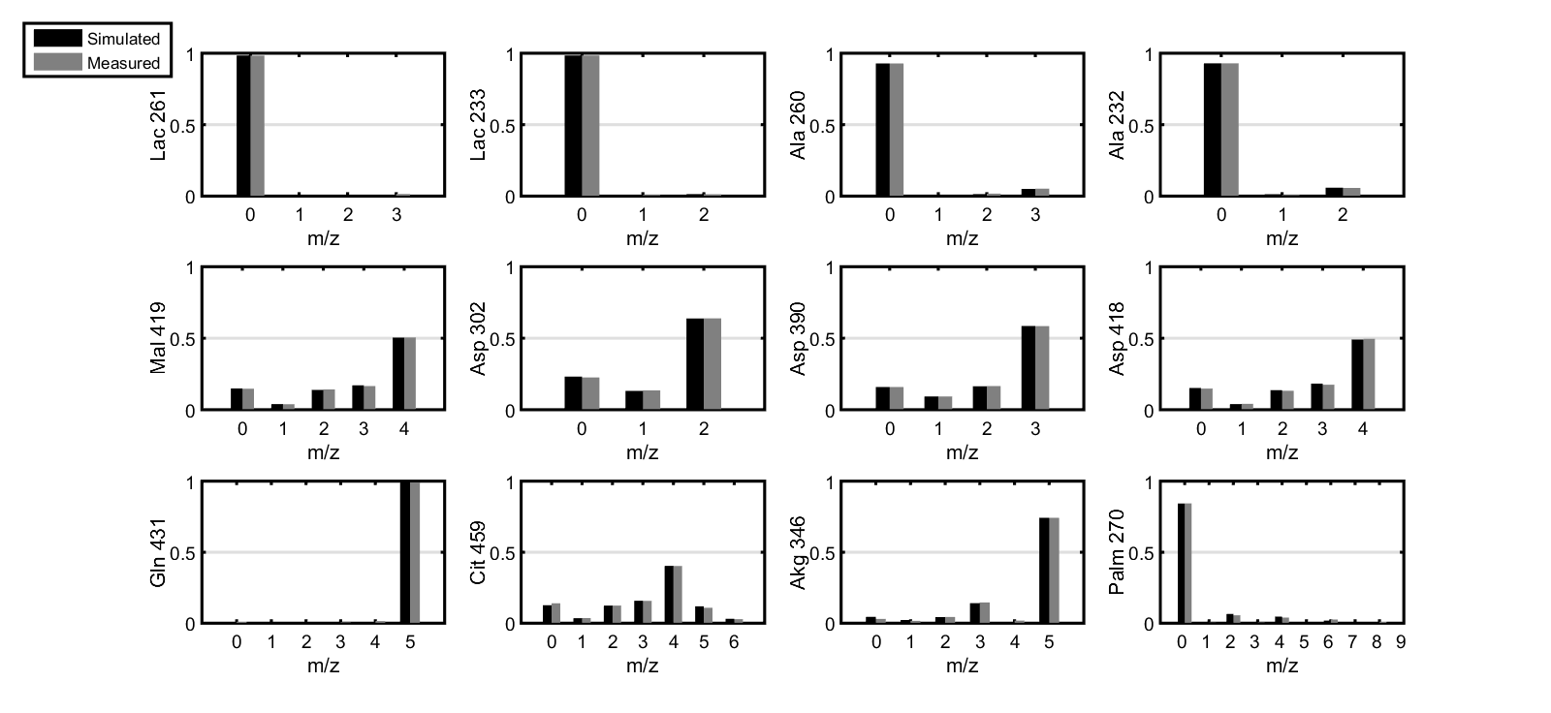
Reaction | Equation | Flux | LB95 | UB95 |  | SSR | 30 |  | Best-fit solution for biological replicate #1
Net fluxes | (mmol/gDW/day) |  |  |  |  | DOF | 94
PDH | Pyr.m -> AcCoA.m + CO2 | 0.1281 | 0.0755 | 0.2159
FAO | FFA -> AcCoA.m | 0.5635 | 0.4637 | 0.6481 |  | Value | SD | SEM (n=3)
PC | Pyr.m + CO2 -> Oac.m | 0.112 | 0.0646 | 0.1908 | Td | 37.57 | 0.9 | 0.5196
CS | AcCoA.m + Oac.m -> Cit | 0.6916 | 0.6066 | 0.7763 | Mu | 0.4428 | 0.0106 | 0.0061
IDH net | Cit <-> Akg + CO2 | 0.0201 | 0.0033 | 0.0473 | 1-G | 0.6422 | 0.0068 | 0.0039
OGDH | Akg -> Suc + CO2 | 0.3355 | 0.2592 | 0.46
SDH net | Suc <-> Fum | 0.3355 | 0.2592 | 0.46
FH net | Fum <-> Mal.m | 0.3355 | 0.2592 | 0.46
MDH2 net | Mal.m <-> Oac.m | 0.5796 | 0.4959 | 0.6615
MDH1 net | Oac.c <-> Mal.c | 0.6715 | 0.5916 | 0.749
ME1 | Mal.c -> Pyr.c + CO2 | 0.2919 | 0.2148 | 0.4047
ME2 | Mal.m -> Pyr.m + CO2 | 0.1355 | 0.085 | 0.2092
Gln_uptake | Gln.x -> Gln | 0.3154 | 0.2492 | 0.4161
GLS | Gln -> Glu | 0.3154 | 0.2492 | 0.4161
GDH net | Glu <-> Akg | 0.3154 | 0.2492 | 0.4161
ACLY | Cit -> AcCoA.c + Oac.c | 0.6715 | 0.5916 | 0.749
FASN | 8*AcCoA.c -> Palm | 0.0658 | 0.0559 | 0.0754
Palm_uptake | Palm.x -> Palm | 0.053 | 0.0435 | 0.063
Growth (1/day) | 0.3276*AcCoA.c + 0.2684*Palm -> Biomass | 0.4428 | 0.4343 | 0.4513
Glycolysis | Glc.x -> Pyr.c + Pyr.c | 7.4836 | 3.8056 | 34.3925
LDH | Pyr.c -> Lac | 15.1545 | 7.7354 | 69.1172
MPC | Pyr.c -> Pyr.m | 0.1046 | 0.0764 | 0.177
DIC | Mal.c -> Mal.m | 0.3796 | 0.2677 | 0.4755
Gln_tracer | Gln.t -> Gln.x | 0.3125 | 0.2472 | 0.4118
Gln_dilution | Gln.d -> Gln.x | 0.0029 | 0 | 0.007
Mixing fluxes | (Percent contribution)
ALT | 0*Pyr.m -> Ala.mix | 14.8717 | 11.4567 | 23.1517
Ala_dilution | 0*Ala.d -> Ala.mix | 85.1283 | 76.8483 | 88.5433
AST1 | 0*Oac.c -> Asp.mix | 10.5511 | 0.0362 | 22.9706
AST2 | 0*Oac.m -> Asp.mix | 89.4489 | 77.0294 | 100
Asp_dilution | 0*Asp.d -> Asp.mix | 1.00E-07 | 0 | 1.0598
Palm_new | 0*Palm -> Palm.mix | 35.78 | 34.8376 | 36.7224
Palm_old | 0*Palm.d -> Palm.mix | 64.22 | 63.2776 | 65.1624
Mal.c | 0*Mal.c -> Mal.mix | 1.1763 | 1.00E-07 | 21.5949
Mal.m | 0*Mal.m -> Mal.mix | 98.8237 | 78.4051 | 100
Ala_sink | Ala.mix -> sink | 100 | 100 | 100
Asp_sink | Asp.mix -> sink | 100 | 100 | 100
Palm_sink | Palm.mix -> sink | 100 | 100 | 100 |  |  |  |  | Best-fit solution for biological replicate #2

Mal_sink | Mal.mix -> sink | 100 | 100 | 100
Exchange fluxes | (mmol/gDW/day)
IDH exch | Cit <-> Akg + CO2 | 0.1095 | 0.089 | 0.1315
SDH exch | Suc <-> Fum | 0.5443 | 0 | Inf
FH exch | Fum <-> Mal.m | 6.93E+04 | 0 | Inf
MDH1 exch | Mal.m <-> Oac.m | 7.5287 | 1.3844 | Inf
MDH2 exch | Oac.c <-> Mal.c | 120.834 | 0 | Inf
GDH exch | Glu <-> Akg | 0.0062 | 0 | Inf

CSC fluxes
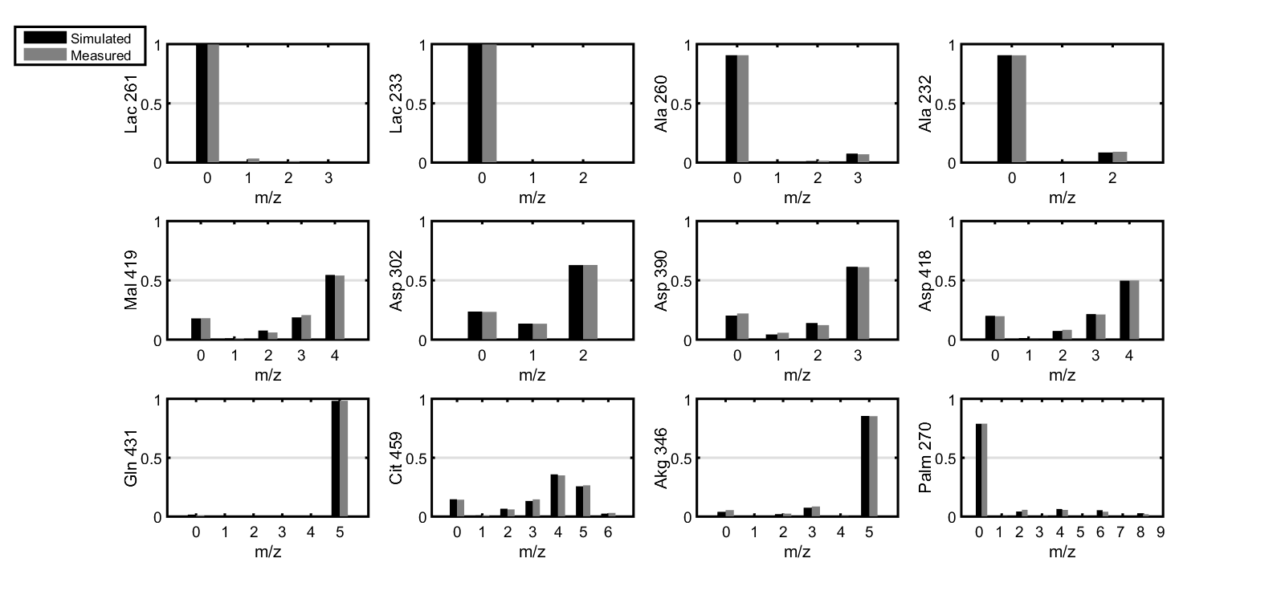
Reaction | Equation | Flux | LB95 | UB95 | SSR | 78.4 |  |  | Best-fit solution for biological replicate #1
Net fluxes | (mmol/gDW/day) |  |  |  | DOF | 94
PDH | Pyr.m -> AcCoA.m + CO2 | 0.0947 | 0.0491 | 0.1443
FAO | FFA -> AcCoA.m | 0.4569 | 0.3974 | 0.519 |  | Value | SD | SEM (n=3)
PC | Pyr.m + CO2 -> Oac.m | 0.1769 | 0.1492 | 0.2354 | Td | 52.57 | 2.2 | 1.2644
CS | AcCoA.m + Oac.m -> Cit | 0.5516 | 0.4892 | 0.6163 | Mu | 0.3164 | 0.0132 | 0.0076
IDH net | Cit <-> Akg + CO2 | -0.1145 | -0.1346 | -0.0956 | 1-G | 0.7287 | 0.0096 | 0.0055
OGDH | Akg -> Suc + CO2 | 0.3799 | 0.3225 | 0.4635
SDH net | Suc <-> Fum | 0.3799 | 0.3225 | 0.4635
FH net | Fum <-> Mal.m | 0.3799 | 0.3225 | 0.4635
MDH2 net | Mal.m <-> Oac.m | 0.3747 | 0.3196 | 0.4216
MDH1 net | Oac.c <-> Mal.c | 0.6661 | 0.5938 | 0.7396
ME1 | Mal.c -> Pyr.c + CO2 | 0.5304 | 0.461 | 0.6205
ME2 | Mal.m -> Pyr.m + CO2 | 0.1409 | 0.1082 | 0.1923
Gln_uptake | Gln.x -> Gln | 0.4944 | 0.4315 | 0.5743
GLS | Gln -> Glu | 0.4944 | 0.4315 | 0.5743
GDH net | Glu <-> Akg | 0.4944 | 0.4315 | 0.5743
ACLY | Cit -> AcCoA.c + Oac.c | 0.6661 | 0.5938 | 0.7396
FASN | 8*AcCoA.c -> Palm | 0.0703 | 0.0614 | 0.0794
Palm_uptake | Palm.x -> Palm | 0.0146 | 0.0059 | 0.0233
Growth (1/day) | 0.3276*AcCoA.c + 0.2684*Palm -> Biomass | 0.3164 | 0.3059 | 0.3269
Glycolysis | Glc.x -> Pyr.c + Pyr.c | 64.0763 | 14.1845 | 5.00E+06
LDH | Pyr.c -> Lac | 128.5523 | 28.7579 | Inf
MPC | Pyr.c -> Pyr.m | 0.1307 | 0.0984 | 0.1686
DIC | Mal.c -> Mal.m | 0.1358 | 0.06 | 0.1836
Gln_tracer | Gln.t -> Gln.x | 0.4859 | 0.4242 | 0.5642
Gln_dilution | Gln.d -> Gln.x | 0.0085 | 0.0031 | 0.0142
Mixing fluxes | (Percent contribution)
ALT | 0*Pyr.m -> Ala.mix | 22.1406 | 18.7261 | 25.4321
Ala_dilution | 0*Ala.d -> Ala.mix | 77.8594 | 74.5679 | 81.2739
AST1 | 0*Oac.c -> Asp.mix | 22.6351 | 13.6307 | 31.2208
AST2 | 0*Oac.m -> Asp.mix | 76.6141 | 67.621 | 86.1181
Asp_dilution | 0*Asp.d -> Asp.mix | 0.7507 | 0 | 2.889
Palm_new | 0*Palm -> Palm.mix | 27.13 | 25.7995 | 28.4605
Palm_old | 0*Palm.d -> Palm.mix | 72.87 | 71.5395 | 74.2005
Mal.c | 0*Mal.c -> Mal.mix | 13.5773 | 3.2194 | 23.6664
Mal.m | 0*Mal.m -> Mal.mix | 86.4227 | 76.3336 | 96.7806
Ala_sink | Ala.mix -> sink | 100 | 100 | 100
Asp_sink | Asp.mix -> sink | 100 | 100 | 100
Palm_sink | Palm.mix -> sink | 100 | 100 | 100 |  |  |  |  | Best-fit solution for biological replicate #2

Mal_sink | Mal.mix -> sink | 100 | 100 | 100
Exchange fluxes | (mmol/gDW/day)
IDH exch | Cit <-> Akg + CO2 | 0.1097 | 0.0894 | 0.134
SDH exch | Suc <-> Fum | 3.0025 | 0 | Inf
FH exch | Fum <-> Mal.m | 1.00E-07 | 0 | Inf
MDH1 exch | Mal.m <-> Oac.m | 2.404 | 1.1248 | 16.6017 |  |  | b
MDH2 exch | Oac.c <-> Mal.c | 13.4593 | 0 | Inf
GDH exch | Glu <-> Akg | 0.1357 | 0 | Inf

Comparison
 | CTRL | CSC
IDH net | 0.0201 | -0.1145
MDH2 net | 0.5796 | 0.3747
ME1 | 0.2919 | 0.5304
Gln uptake | 0.3154 | 0.4944
GLS | 0.3154 | 0.4944
GDH net | 0.3154 | 0.4944
Palm uptake | 0.0530 | 0.0146
Growth (1/day) | 0.4428 | 0.3164
DIC | 0.3796 | 0.1358
Reaction | Equation | CTRL | CSC | SIG? α=0.05
Net fluxes | (mmol/gDW/day)
PDH | Pyr.m -> AcCoA.m + CO2 | 0.1281 | 0.0947 | FALSE
FAO | FFA -> AcCoA.m | 0.5635 | 0.4569 | FALSE | CTRL |  | CSC
PC | Pyr.m + CO2 -> Oac.m | 0.1120 | 0.1769 | FALSE | Lower EB | Upper EB | Lower EB | Upper EB
CS | AcCoA.m + Oac.m -> Cit | 0.6916 | 0.5516 | FALSE
IDH net | Cit <-> Akg + CO2 | 0.0201 | -0.1145 | TRUE | 0.0168 | 0.0272 | 0.0201 | 0.0189
OGDH | Akg -> Suc + CO2 | 0.3355 | 0.3799 | FALSE
SDH net | Suc <-> Fum | 0.3355 | 0.3799 | FALSE
FH net | Fum <-> Mal.m | 0.3355 | 0.3799 | FALSE
MDH2 net | Mal.m <-> Oac.m | 0.5796 | 0.3747 | TRUE | 0.0837 | 0.0819 | 0.0551 | 0.0469
MDH1 net | Oac.c <-> Mal.c | 0.6715 | 0.6661 | FALSE
ME1 | Mal.c -> Pyr.c + CO2 | 0.2919 | 0.5304 | TRUE | 0.0771 | 0.1128 | 0.0694 | 0.0901
ME2 | Mal.m -> Pyr.m + CO2 | 0.1355 | 0.1409 | FALSE
Gln uptake | Gln.x -> Gln | 0.3154 | 0.4944 | TRUE | 0.0662 | 0.1007 | 0.0629 | 0.0799
GLS | Gln -> Glu | 0.3154 | 0.4944 | TRUE | 0.0662 | 0.1007 | 0.0629 | 0.0799
GDH net | Glu <-> Akg | 0.3154 | 0.4944 | TRUE | 0.0662 | 0.1007 | 0.0629 | 0.0799
ACLY | Cit -> AcCoA.c + Oac.c | 0.6715 | 0.6661 | FALSE
FASN | 8*AcCoA.c -> Palm | 0.0658 | 0.0703 | FALSE
Palm uptake | Palm.x -> Palm | 0.0530 | 0.0146 | TRUE | 0.0095 | 0.01 | 0.0087 | 0.0087
Growth (1/day) | 0.3276*AcCoA.c + 0.2684*Palm -> Biomass | 0.4428 | 0.3164 | TRUE | 0.0085 | 0.0085 | 0.0105 | 0.0105
Glycolysis | Glc.x -> Pyr.c + Pyr.c | 7.4836 | 64.0763 | FALSE
LDH | Pyr.c -> Lac | 15.1545 | 128.5523 | FALSE
MPC | Pyr.c -> Pyr.m | 0.1046 | 0.1307 | FALSE
DIC | Mal.c -> Mal.m | 0.3796 | 0.1358 | TRUE | 0.1119 | 0.0959 | 0.0758 | 0.0478
Gln_tracer | Gln.t -> Gln.x | 0.3125 | 0.4859 | TRUE
Gln_dilution | Gln.d -> Gln.x | 0.0029 | 0.0085 | FALSE
Mixing fluxes | (Percent contribution)
ALT | 0*Pyr.m -> Ala.mix | 14.8717 | 22.1406 | FALSE
Ala_dilution | 0*Ala.d -> Ala.mix | 85.1283 | 77.8594 | FALSE
AST1 | 0*Oac.c -> Asp.mix | 10.5511 | 22.6351 | FALSE
AST2 | 0*Oac.m -> Asp.mix | 89.4489 | 76.6141 | FALSE
Asp_dilution | 0*Asp.d -> Asp.mix | 0.0000 | 0.7507 | FALSE
Palm_new | 0*Palm -> Palm.mix | 35.7800 | 27.1300 | TRUE
Palm_old | 0*Palm.d -> Palm.mix | 64.2200 | 72.8700 | TRUE
Mal.c | 0*Mal.c -> Mal.mix | 1.1763 | 13.5773 | FALSE
Mal.m | 0*Mal.m -> Mal.mix | 98.8237 | 86.4227 | FALSE
Ala_sink | Ala.mix -> sink | 100.0000 | 100.0000 | FALSE
Asp_sink | Asp.mix -> sink | 100.0000 | 100.0000 | FALSE
Palm_sink | Palm.mix -> sink | 100.0000 | 100.0000 | FALSE
Mal_sink | Mal.mix -> sink | 100.0000 | 100.0000 | FALSE
Exchange fluxes | (mmol/gDW/day)
IDH exch | Cit <-> Akg + CO2 | 0.1095 | 0.1097 | FALSE
SDH exch | Suc <-> Fum | 0.5443 | 3.0025 | FALSE
FH exch | Fum <-> Mal.m | 69258.0000 | 0.0000 | FALSE
MDH1 exch | Mal.m <-> Oac.m | 7.5287 | 2.4040 | FALSE
MDH2 exch | Oac.c <-> Mal.c | 120.8340 | 13.4593 | FALSE
GDH exch | Glu <-> Akg | 0.0062 | 0.1357 | FALSE

